Sheet1
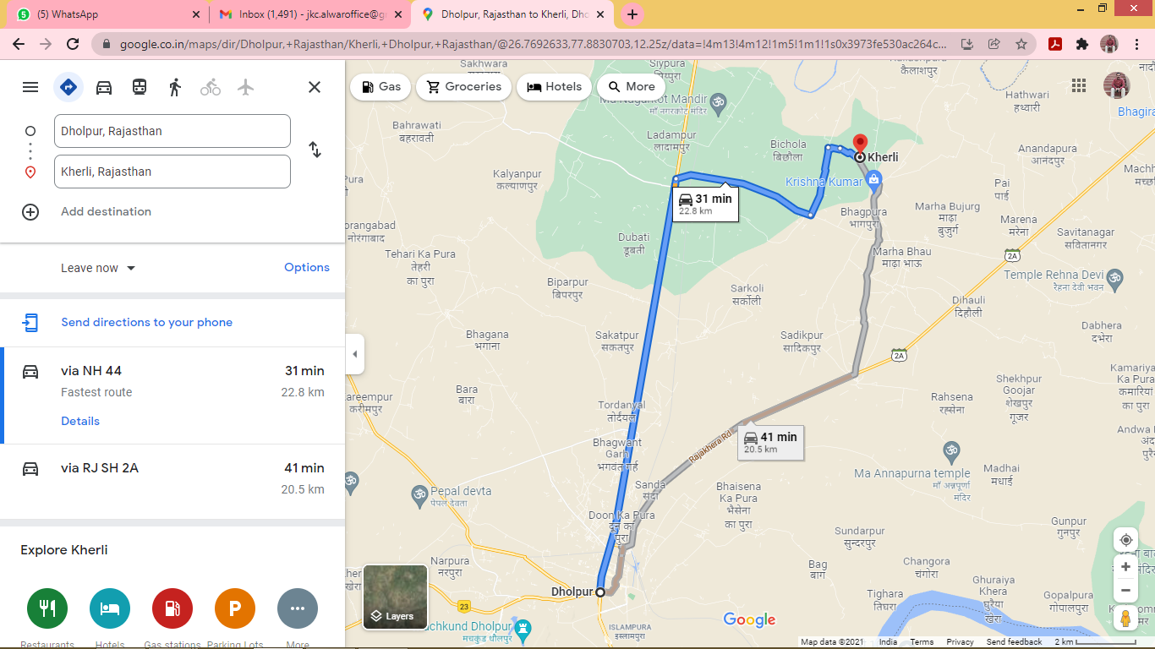
Country | State | Destination/City | Destination/City Codes | Taluka / Tehsil | Tehsil/Taluka Codes | District | District/ County Code | PRICE LIST | Price cluster | Distance from WH & Plant(in Kms) | Source from where the distance is mapped(WH 1468) | PINCODE | DMOG CODE
IN | 20 | KHERLI (DHOLPUR) | HV72 | DHOLPUR | RJ121 | DHOLPUR | 148 | VF | 20 DHOLPUR | 47 KM | 23 KM | 321410 | DMOG100

